App Sheet


 |  |  | APPROVAL SHEET
 |  |  | ENGINEERING SURVEY REPORT

 | SITE ID |  |  | 1324471003
 | SITE NAME |  |  | JANTUNGGEUN_TANGERANG
 | CANDIDATE |  |  | A
 | SITE ADDRESS |  |  | Kp. Jantungeun RT.004 RW.002 Desa Mekarsari Kecamatan Jambe Kabupaten Tangerang Provinsi Banten
 | PROJECT TYPE |  |  | Tower Rental New Build
 | PROPOSE BY |  |  | PT. Tower Bersama

Note:
SLA Routing Approval per Department is 1 (one) working day

Routing Approval:

Approval |  | Doc ESR In |  | Doc ESR Out |  | Remark | Sign | PIC Name
 |  | Date | Time | Date | Time
Sitac

BSS RND

TRM

Civil Eng

Power Eng

Approval 006
Doc ESR Received by Admin NDC
Doc Copy ESR Received by Vendor

RFA
REQUEST FOR APPROVAL
(Tower Rental Project)

 |  | Date :
Site ID | Site Info | Provider Remark
SITE ID : 13244710031324471003
Site Name : JANTUNGGEUN_TANGERANG
KANDIDAT A
Tower Height : 52 M | Location Photograph
Tower Type : SST

 | Site Search Report

Site Address : Kp. Jantungeun RT.004 RW.002 Desa Mekarsari Kecamatan Jambe Kabupaten Tangerang Provinsi Banten

Candidate Proposed Coordinate | LOI
LATITUDE : -6.34464°

LONGITUDE : 106.49239° | Property Document
(harus sama dgn info koordinat di halaman 1)

NOM Coordinate
LATITUDE : -6.335528°

LONGITUDE : 106.49238°

Distance NOM to Candidate : 97 M
Bearing NOM to Canditate : degree

Prepared By : | Review By : | Approved by XL:

PT. Tower Bersama
PIC : | Name : | Name :
Date : | Date : | Date :

Approved by : XL
Name :
Date
Released to vendor by :
Name :
Date :
Prepared by :
PT. Inti Samudra Prakarsa
PIC: Herman Effendi
Reviewed by :
Name :
Date :

ESR
 |  |  |  |  |  |  |  |  | ENGINEERING SURVEY REPORT
Prepared by : PT. TOWER BERSAMA |  |  |  |  |  |  |  |  | Project : Tower Rental New Build / Collocation Existing
Document response / approved : (by provider) |  |  | Checked : |  |  |  |  |  | Doc No : |  |  |  | Revision : ………

 |  |  |  |  |  |  |  |  | Site No. | : | 1324451003
 |  |  |  |  |  |  |  |  | Site Name | : | JANTUNGGEUN_TANGERANG
 |  |  |  |  |  |  |  |  | Visit Date | : | 2022-10-14

I. GENERAL INFORMATION
Area | : |  | Kabupaten Tangerang
Site Address | : |  | Kp. Jantungeun RT.004 RW.002 Desa Mekarsari Kecamatan Jambe Kabupaten Tangerang Provinsi Banten

Contact Person | : |  | OMAH
Phone Number | : |  | 081517969264
Contact Person Address | : |  | Kp. Jantungeun RT.004 RW.002 Desa Mekarsari Kecamatan Jambe Kabupaten Tangerang Provinsi Banten

Access to site | : |  |  |  | Available |  |  |  | Not Available |  |  |  | Need a new additional access
 |  |  | Remarks : detail information (car entry or by walking or need ladder etc)
Access 24 hours/day | : |  |  |  | Yes |  |  |  | Not identify hours : ………….to……………..

II. GEOGRAPHIC INFORMATION
NOM Coordinates |  |  | -6.335528° 106.49238°
GPS Coordinates |  |  | -6.34464° 106.49239° |  |  |  |  |  |  |  |  |  |  |  |  | Candidate A
harus sama dengan sampul muka halaman depan
Map Datum :
Mark position on map |  |  |  |  | A4 sketch from above

III. PHOTOGRAPH DOCUMENTARY
Photos taken |  |  |  |  | GPS Photo |  |  |  |  |  |  |  | 4 |  | photos
 |  |  |  |  | Surroundings tower (google maps) |  |  |  |  |  |  |  | 1 |  | captures & sketch
 |  |  |  |  | 360 degree panorama, each 30 degree |  |  |  |  |  |  |  | 12 |  | photos
 |  |  |  |  | Proposed site location |  |  |  |  |  |  |  | 1 |  | photos
 |  |  |  |  | Site Access |  |  |  |  |  |  |  | 3 |  | photos
 |  |  |  |  | Obstacle objects |  |  |  |  |  |  |  | - |  | photos
At approximately level |  |  | 0 m.a.g.l (meter above ground level)
Taken on |  |  |  |  | Ground |  |  |  | Exist. Tower |  |  |  | Building |  |  | Tree
Altitude |  |  | 13 m.a.s.l (meter above sea level)
Mark position on map |  |  | ` |  | A4 sketch from above

 |  |  |  |  |  |  |  |  |  |  |  |  |  |  |  | Page 1 of 7

IV. RADIO FREQUENCY ( RF ) DATA
RBS Antenna Height | : |  | 40 / 40 / 40 magl
RBS Antenna Direction | : |  |  |  | 110° |  |  |  | 210° |  |  |  | 330°
Surroundings | :

OBSTACLE | Direction (deg) |  |  |  |  |  |  |  | Distance (m) |  |  |  | Height (m)

ANTENNA TYPE |  |  |  |  |  |  |  |  | V-POL |  |  | X-POL
RBS TYPE |  |  |  |  |  |  |  |  | INDOOR |  |  | OUTDOOR |  | MODEL :
Note : Diisi oleh PIC RND XL berdasarkan info & data di SSR

IN GRID /OFF GRID | : |  |  |  |  |  |  |  | at |  |  |  | °

OTHER COMMENTS BY XL:

Note : Diisi oleh PIC RND XL
RF RECOMMENDATION | : |  |  |  |  |  |  |  | OK |  |  |  | NOT OK
PIC BSS-RND Name | :

 |  |  |  |  |  |  |  |  |  |  |  |  |  |  |  | Page 2 of 7
V. TRANSMISSION DATA

SITE FACING PLAN
FACING SITES |  | SITE ADDRESS |  |  |  |  |  |  | LATITUDE |  |  |  | LONGITUDE |  |  | ALTITUDE (masl)

TRM CONFIGURATION DATA (*)
FACING SITES | DISTANCE (km) |  |  |  |  | BEARING (degree) |  |  |  | ANTENNA HEIGHT (m) |  |  | DIAMETER (M)

(*) Diisi hanya untuk Project XL Own Build / oleh Vendor Sitac Regular

SURROUNDINGS (Including Panoramic Photograph)
OBSTACLE |  |  | DIRECTION (deg) |  |  |  |  |  | DISTANCE (km) |  |  |  | HEIGHT (m)

OTHER COMMENTS BY XL:

TRM RECOMMENDATION |  | : |  |  |  |  |  |  | OK |  |  |  | NOT OK
PIC TRM Name |  | :
 |  |  |  |  |  |  |  |  |  |  |  |  |  |  |  | page 3 of 7

VI. CIVIL INFRASTRUCTURES DATA

SITE CATEGORY | : |  |  |  | Green Field |  |  |  | Roof Top |  |  |  | Existing
GREEN FIELD
General Topographi | : |  |  |  | Flat |  |  |  | Swamp |  |  |  | Slope |  |  | Hilty
Soil General Classification | : |  |  |  | Normal |  |  |  | Rocky |  |  |  | Sandy |  |  | Clay / Muld
Obstruction |  |  |  |  | No |  |  |  | Trees |  |  |  | Building |  |  | ……………..
Site Improvement required | : |  |  |  | Clearing |  |  |  | Stripping |  |  |  | Cut / Fill |  |  | Demolist existing

ACCESS TO SITE
Distance from public road | : |  |  |  | 20 |  |  |  | Meter | Width : |  |  | 3 |  | Meter
Type of pavement | : |  |  |  | Hotmix |  |  |  | Asphalt |  |  | Concrete |  |  |  | Paving Block
 |  |  |  |  | Macadam |  |  |  | Aggregate |  |  | Soil |  |  |  | ……………..
Length of private access | : |  |  |  | 3 |  |  |  | Meter | Width : |  |  | 2 |  | Meter
Type of pavement | : |  |  |  | Hotmix |  |  |  | Asphalt |  |  |  | Concrete |  |  | Paving Block
 |  |  |  |  | Macadam |  |  |  | Aggregate |  |  |  | Soil |  |  | ……………..
Improvement required | : |  |  |  | Bridge |  |  |  | Pavement |  |  |  | Other

PROPOSED AREA TO BE ACQUIRED (GREEN FIELD) (*)
Lot Size | : |  | Rent Area : |  |  |  |  |  | 10 M x 10 M
 |  |  | Access To Site : |  |  |  |  |  | 20 M x 2 M
(*) Diisi hanya untuk Project XL Own Build / oleh Vendor Sitac Regular

ROOF TOP - BUILDING STRUCTURE
Height Structure Type | : |  | Stories |  |  |  |  |  | ………………… |  | number
 |  |  | Roof Top |  |  |  |  |  | ………………… |  | meter
 |  |  | Penthose |  |  |  |  |  | ………………… |  | meter
 |  |  | Other |  |  |  |  |  | ………………… |  | meter
Old of Building | : |  | …………… |  |  |  |  | Years
Building Structure Type | : |  |  |  | Reinforcr Concrete |  |  |  |  |  |  |  | Steel |  |  | Other
Building Using | : |  |  |  | Home |  |  |  | Office |  |  |  | Mall/Shop |  |  | School/hospital
Potential Obstacle When Construction or Operation | :

 |  |  |  |  |  |  |  |  |  |  |  |  |  |  |  | page 4 of 7
ROOF TOP ACCESS
Access for Crane | : |  |  |  | Yes |  |  |  | No
Stairway available | : |  |  |  | Yes |  |  |  | No
- Dimension | : |  |  |  | ………… |  | m wide |  |  |  | X | …………… |  |  | m height
Passenger Lift | : |  |  |  | Yes |  |  |  | No
- Capacity | : |  | ………… |  |  | persons, from ……….. |  |  |  | Trough |  |  |  | ……………Floor
Material Lift | : |  |  |  | Yes |  |  |  | No
- Capacity | : |  | ………… |  |  | kg, from ……………. |  |  |  | Trough |  |  |  | ……………Floor
- Dimension | : |  | ………… |  |  |  | m wide |  |  |  |  | …………… |  |  | m height
Ladder |  |  |  |  | Yes |  |  |  | No
- Dimension |  |  |  |  | m Wide |  |  |  | m Depth |  |  |  | m Height
Potential Obstacle for Material Equipment delivery | :

ADDITIONAL SUPPORTING STRUCTURE REQUIRED (*)
Beam | : |  | …………………. |  |  |  |  |  | m length
Access Ladder | : |  | …………………. |  |  |  |  |  | m length | ……………. |  |  | m wide | Other : ………………..
(*) Diisi hanya untuk Project XL Own Build / oleh Vendor Sitac Regular

GROUNDING and LIGHTNING PROTECTION SYSTEM in BUILDING
Is grounding system available ? | : |  |  |  | No |  |  |  | Yes |  | Type and size …………………
Is it possible to use ? | : |  |  |  | No |  |  |  | Yes
Is lightning protect available ? | : |  |  |  | No |  |  |  | Yes |  | Type and size …………………
Is it possible to use ? | : |  |  |  | No |  |  |  | Yes

SHAFT and CABLE ROUTING
Is cable shaft available ? | : |  |  |  | Yes |  |  |  | No
Routing cables/feeder | : |  |  |  | Tray |  |  |  | Clamped |  |  |  | Other : …………………
 | : |  | length : …………………. M |  |  |  |  |  |  |  |  |  | (including Routing Drawing)

PROPOSED AREA TO BE ACQUIRED (ROOF TOP) (*)
Lot Size | : |  | Rent Area : ..………….. Meter X ……………. Meter = ……….. Meter²
 |  |  | Access To Site : …………… Meter X ……………. Meter = ……….. Meter²
(*) Diisi hanya untuk Project XL Own Build / oleh Vendor Sitac Regular
 |  |  |  |  |  |  |  |  |  |  |  |  |  |  |  | page 5 of 7

√
TOWER DATA
Tower Height | : |  |  |  | METER |  |  |  | From Ground Level |  |  |  | From Roop Top Level
Tower Type | : |  |  |  | Self Supporting Tower |  |  |  |  |  | Monopole/Single Pole
 | : |  |  |  | Guyed Tower |  |  |  |  |  | Three Camouflage

LEASING & PERMIT INFORMATION (*)
Lease Space | : |  | L 10 Meter |  |  |  | X |  | W 10 Meter |  | X |  | 11 TAHUN |  | Estimated Rent ?
Can the site be Leased ? | : |  |  |  | Yes |  |  |  | No
Can the site be Permitted ? | : |  |  |  | Yes |  |  |  | No
(*) Diisi hanya untuk Project XL Own Build / oleh Vendor Sitac Regular

OTHER COMMENTS BY XL:

CIVIL RECOMMENDATION : |  |  |  |  |  |  |  |  | OK |  |  |  | NOT OK
PIC Civil Eng Name |  | :

VII. POWER & ELECTRICITY

POWER SOURCE
Power Availability (PLN) For XL |  |  |  | Available |  |  |  | Not Available |  |  | Capacity : 13,2 KVA
 |  |  |  |  | Distance From Existing PLN Pole : 20 meter nearest Traffo : 59 meter
 |  |  |  |  | Provided by building / PLN, Capacity : KVA ( FOR GREENFIELD SITE)
Additional facilities required (*) | : |  |  |  | Poles |  |  |  | Cable |  |  | Transformer |  |  | Other
(*) Diisi hanya untuk Project XL Own Build / oleh Vendor Sitac Regular

OTHER COMMENTS BY XL:

POWER RECOMMENDATION : |  |  |  |  |  |  |  |  | OK |  |  |  | NOT OK
PIC Power Eng Name |  |  | :
 |  |  |  |  |  |  |  |  |  |  |  |  |  |  |  | page 6 of 7

VII. ATTACHMENT

DOCUMENT INDICATION
Photo GPS |  |  |  |  |  |  |  |  |  |  |  |  |  |  |  | Photos
Surroundings tower (radius 200 m) |  |  |  |  |  |  |  |  |  |  |  |  |  |  |  | Google maps & Sketch
360 degree panorama, each 30 degree |  |  |  |  |  |  |  |  |  |  |  |  |  |  |  | Photos
Site situation, access, existing facilities, etc |  |  |  |  |  |  |  |  |  |  |  |  |  |  |  | Photos & Sketch
Obstacle objects & near field obstruction |  |  |  |  |  |  |  |  |  |  |  |  |  |  |  | Photos
Existing facing sites |  |  |  |  |  |  |  |  |  |  |  |  |  |  |  | Photos & Sketch
Proposed site & Area |  |  |  |  |  |  |  |  |  |  |  |  |  |  |  | Photos & Sketch
Actual centerline, North on sketch |  |  |  |  |  |  |  |  |  |  |  |  |  |  |  | Sketch
Location and size of column and beam, existing and additional |  |  |  |  |  |  |  |  |  |  |  |  |  |  |  | Photos & Sketch
Proposed Location and Shelter, Tower, AC, Power meter, etc |  |  |  |  |  |  |  |  |  |  |  |  |  |  |  | Photos & Sketch
Proposed routing of cables (co-axial, power, grounding, lightening conductor) |  |  |  |  |  |  |  |  |  |  |  |  |  |  |  | Photos & Sketch
Antenna type, location, level and direction, present, future |  |  |  |  |  |  |  |  |  |  |  |  |  |  |  | Sketch
Site Outline Drawing |  |  |  |  |  |  |  |  |  |  |  |  |  |  |  | Hard Copy

 |  |  |  |  |  |  |  |  |  |  |  |  |  |  |  | page 7 of 7

Photo GPS
 |  |  | PHOTOGRAPH DOCUMENTARY
Site No. | : | 1324471003 | Project | : | Tower Rental New Build
Site Name | : | JANTUNGGEUN_TANGERANG | Location | : | KABUPATEN TANGERANG

Visit Date | : | 14-Oct-22 | Prepared by | : | PT. TOWER BERSAMA
Surveyor | : | ABDUL MUKTI

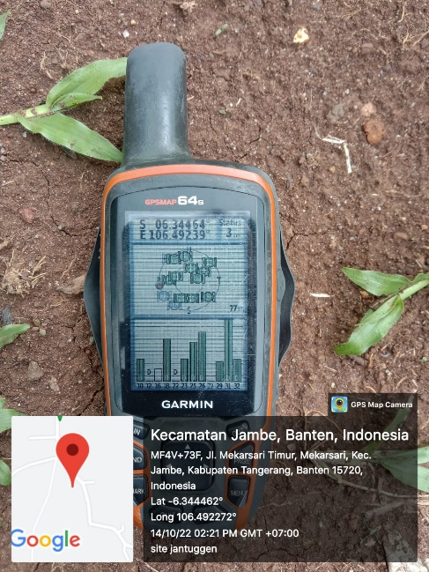
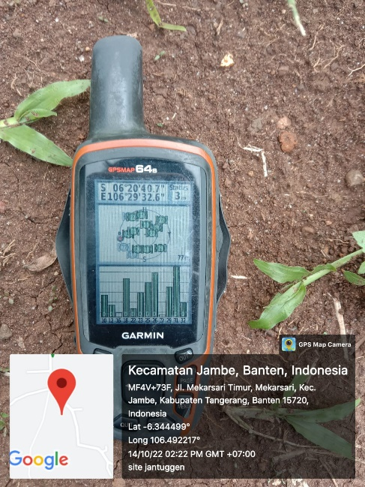

candidate A

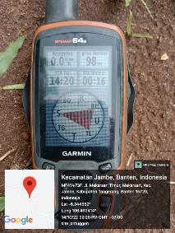

nom to candidate

Suroundings
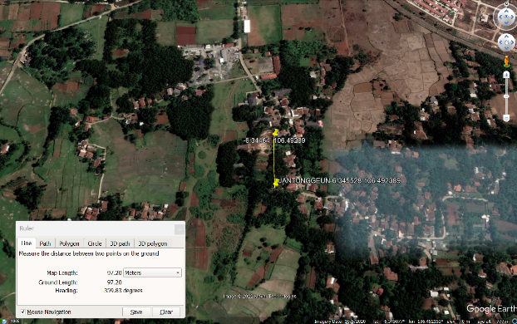
 |  |  | PHOTOGRAPH DOCUMENTARY
Site No. | : | 1324471003 | Project | : | Tower Rental New Build
Site Name | : | JANTUNGGEUN_TANGERANG | Location | : | KABUPATEN TANGERANG
Visit Date | : | 14-Oct-22 | Prepared by | : | PT. TOWER BERSAMA
Surveyor | : | ABDUL MUKTI

0,30
 |  |  |  | PHOTOGRAPH DOCUMENTARY
 | Site No. | : | 1324471003 | Project | : | Tower Rental New Build
 | Site Name | : | JANTUNGGEUN_TANGERANG | Location | : | KABUPATEN TANGERANG
 | Visit Date | : | 14-Oct-22 | Prepared by | : | PT. TOWER BERSAMA
 | Surveyor | : | ABDUL MUKTI

Degree View |  |  | Panorama View |  |  | Remarks

0º |  |  | 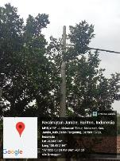

30º |  |  | 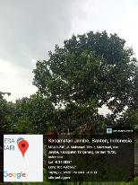

60,90
 |  |  | PHOTOGRAPH DOCUMENTARY
Site No. | : | 1324471003 | Project | : | Tower Rental New Build
Site Name | : | JANTUNGGEUN_TANGERANG | Location | : | KABUPATEN TANGERANG
Visit Date | : | 14-Oct-22 | Prepared by | : | PT. TOWER BERSAMA
Surveyor | : | ABDUL MUKTI

Degree View |  | Panorama View |  |  | Remarks

60º |  | 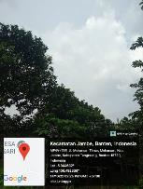

90º |  | 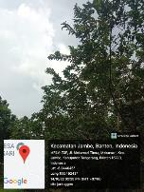

120,150
 |  |  | PHOTOGRAPH DOCUMENTARY
Site No. | : | 1324471003 | Project | : | Tower Rental New Build
Site Name | : | JANTUNGGEUN_TANGERANG | Location | : | KABUPATEN TANGERANG
Visit Date | : | 14-Oct-22 | Prepared by | : | PT. TOWER BERSAMA
Surveyor | : | ABDUL MUKTI

Degree View |  | Panorama View |  |  | Remarks

120º |  | 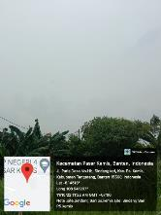

150º |  | 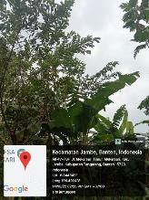

180,210
 |  |  | PHOTOGRAPH DOCUMENTARY
Site No. | : | 1324471003 | Project | : | Tower Rental New Build
Site Name | : | JANTUNGGEUN_TANGERANG | Location | : | KABUPATEN TANGERANG
Visit Date | : | 14-Oct-22 | Prepared by | : | PT. TOWER BERSAMA
Surveyor | : | ABDUL MUKTI

Degree View |  | Panorama View |  |  | Remarks

180º |  | 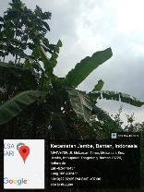

210º |  | 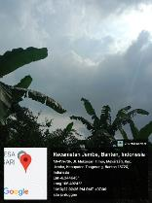

240,270
 |  |  | PHOTOGRAPH DOCUMENTARY
Site No. | : | 1324471003 | Project | : | Tower Rental New Build
Site Name | : | JANTUNGGEUN_TANGERANG | Location | : | KABUPATEN TANGERANG
Visit Date | : | 14-Oct-22 | Prepared by | : | PT. TOWER BERSAMA
Surveyor | : | ABDUL MUKTI

Degree View |  | Panorama View |  |  | Remarks

240º |  | 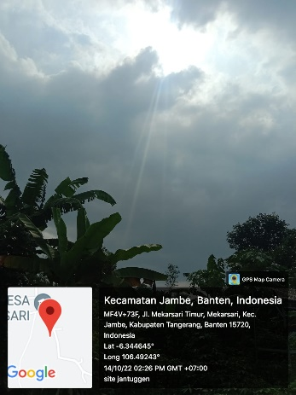

270º |  | 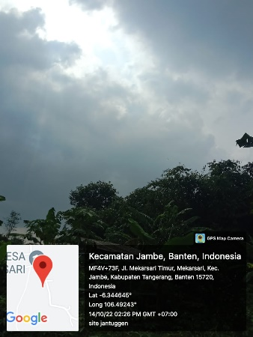

300,330
 |  |  | PHOTOGRAPH DOCUMENTARY
Site No. | : | 1324471003 | Project | : | Tower Rental New Build
Site Name | : | JANTUNGGEUN_TANGERANG | Location | : | KABUPATEN TANGERANG
Visit Date | : | 14-Oct-22 | Prepared by | : | PT. TOWER BERSAMA
Surveyor | : | ABDUL MUKTI

Degree View |  | Panorama View |  |  | Remarks

300º |  | 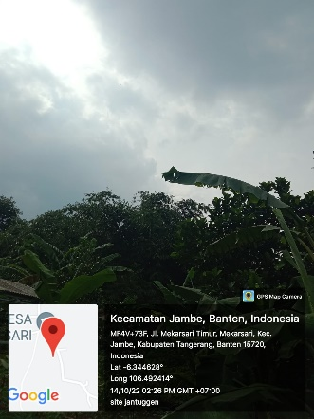

330º |  | 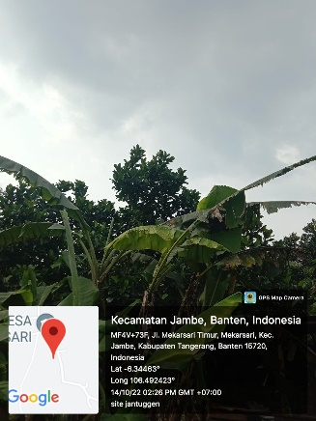

RBS
 |  |  | PHOTOGRAPH DOCUMENTARY
Site No. | : | 1276281003 | Project | : | Tower Rental New Build
Site Name | : | Bantarjati Relocation | Location | : | Kota Bogor
Visit Date | : | 12-Jul-22 | Prepared by | : | PT. Tower Bersama
Surveyor | : | ABDUL MUKTI

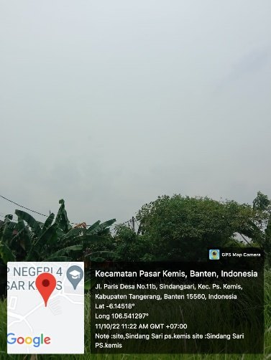

PANORAMA 120°

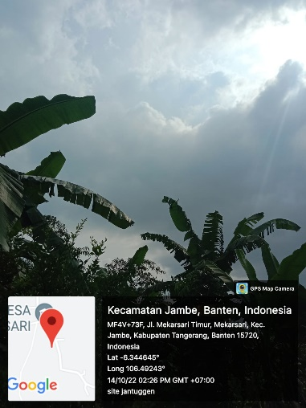

PANORAMA 210°



PANORAMA 330°

depan,belakang
 |  |  | PHOTOGRAPH DOCUMENTARY
Site No. | : | 1276281003 | Project | : | Tower Rental New Build
Site Name | : | Bantarjati Relocation | Location | : | Kota Bogor
Visit Date | : | 12-Jul-22 | Prepared by | : | PT. Tower Bersama
Surveyor | : | ABDUL MUKTI

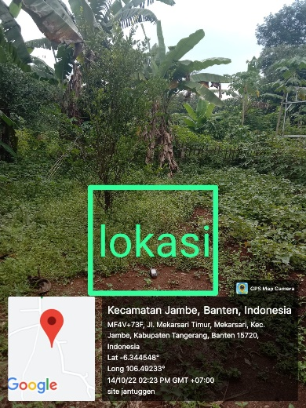

TAMPAK DEPAN

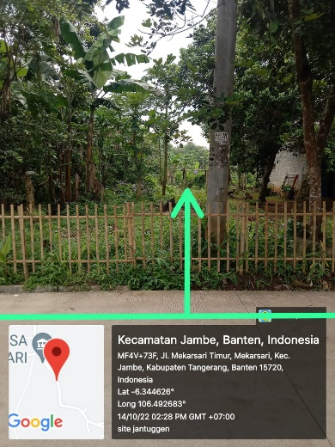

TAMPAK BELAKANG

kiri,kanan
 |  |  | PHOTOGRAPH DOCUMENTARY
Site No. | : | 1276281003 | Project | : | Tower Rental New Build
Site Name | : | Bantarjati Relocation | Location | : | Kota Bogor
Visit Date | : | 12-Jul-22 | Prepared by | : | PT. Tower Bersama
Surveyor | : | ABDUL MUKTI

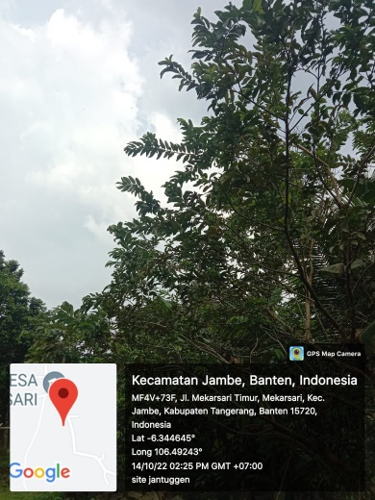

TAMPAK KIRI

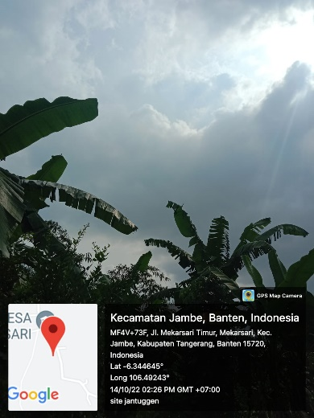

TAMPAK KANAN

PANORAMA 0O
PANORAMA 30O
PANORAMA 60O
PANORAMA 90O
PANORAMA 120O
PANORAMA 150O
PANORAMA 180O
PANORAMA 210O
PANORAMA 240O
PANORAMA 270O
PANORAMA 300O
PANORAMA 330O

RBB ANTENNA SECTOR
PANORAMA 0O
PANORAMA 0O
PANORAMA 0O
PANORAMA 0O

SITE LOCATION
TAMPAK DEPAN
TAMPAK BELAKANG
TAMPAK KIRI
TAMPAK KANAN

PLN/POWER POLE,TRAFO

SITE ACCESS TO SITE

Site Location
 |  |  | PHOTOGRAPH DOCUMENTARY
Site No. | : | 1276281003 | Project | : | Tower Rental New Build
Site Name | : | Bantarjati Relocation | Location | : | Kota Bogor
Visit Date | : | 12-Jul-22 | Prepared by | : | PT. Tower Bersama
Surveyor | : | ABDUL MUKTI



Proposed Antenna

Proposed Pondasi BTS/ RBS

Proposed RBS

site access
 |  |  | PHOTOGRAPH DOCUMENTARY
Site No. | : | 1276281003 | Project | : | Tower Rental New Build
Site Name | : | Bantarjati Relocation | Location | : | Kota Bogor
Visit Date | : | 12-Jul-22 | Prepared by | : | PT. Tower Bersama
Surveyor | : | ABDUL MUKTI

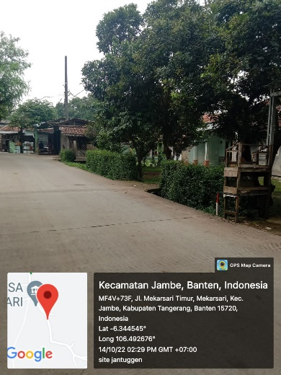

SITE ACCESS TO SITE

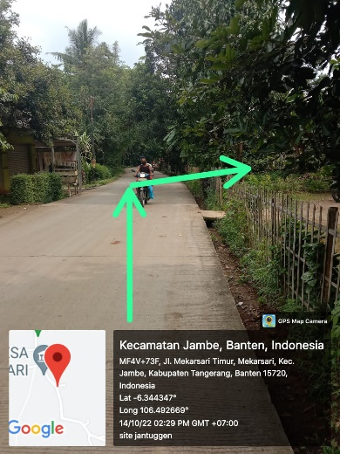

SITE ACCESS TO SITE

SITE ACCESS TO SITE

PLN
 |  |  | PHOTOGRAPH DOCUMENTARY
Site No. | : | 1276281003 | Project | : | Tower Rental New Build
Site Name | : | Bantarjati Relocation | Location | : | Kota Bogor
Visit Date | : | 12-Jul-22 | Prepared by | : | PT. Tower Bersama
Surveyor | : | ABDUL MUKTI

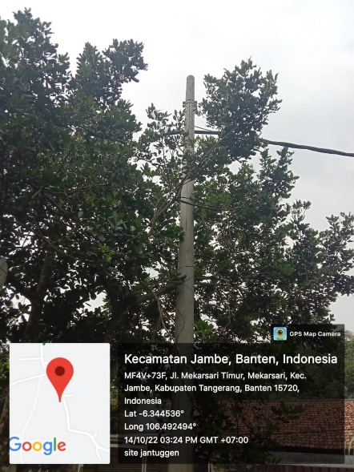

PLN/POWER POLE 14 Meter
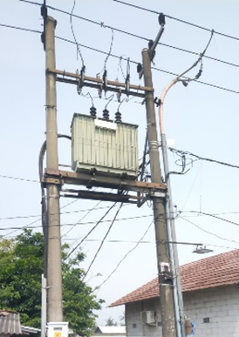

PLN TRAFO Kapasitas ... KVA / 3 phase ( 59 m dari site)

Site Situasi
 |  |  | PHOTOGRAPH DOCUMENTARY
Site No. | : | 1276281003 | Project | : | Tower Rental New Build
Site Name | : | Bantarjati Relocation | Location | : | Kota Bogor
Visit Date | : | 12-Jul-22 | Prepared by | : | PT. Tower Bersama
Surveyor | : | ABDUL MUKTI

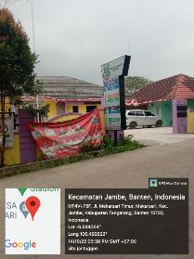

SITE SITUATION 1

SITE SITUATION 2

Peta dan Layout
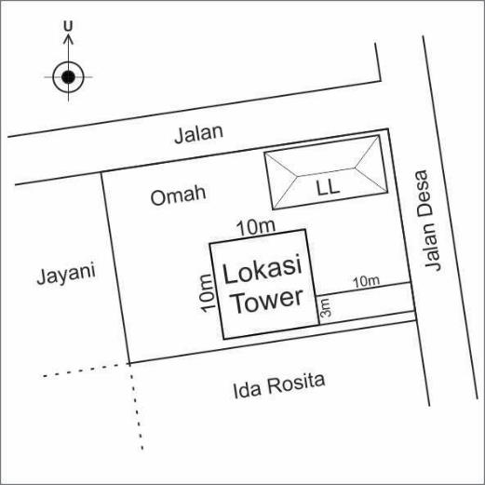
 |  |  | PHOTOGRAPH DOCUMENTARY
Site No. | : | 1276281003 | Project | : | Tower Rental New Build
Site Name | : | Bantarjati Relocation | Location | : | Kota Bogor
Visit Date | : | 12-Jul-22 | Prepared by | : | PT. Tower Bersama
Surveyor | : | ABDUL MUKTI

PETA LOKASI

